Sheet1


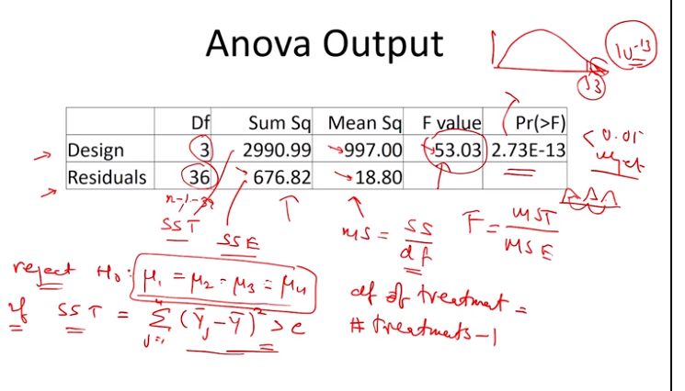
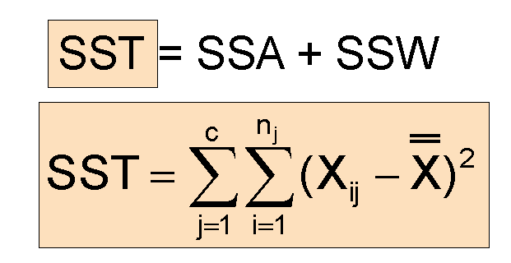
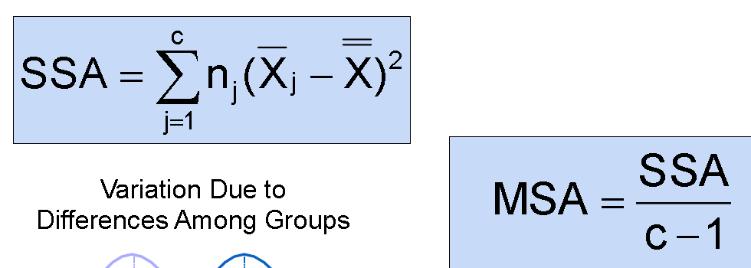
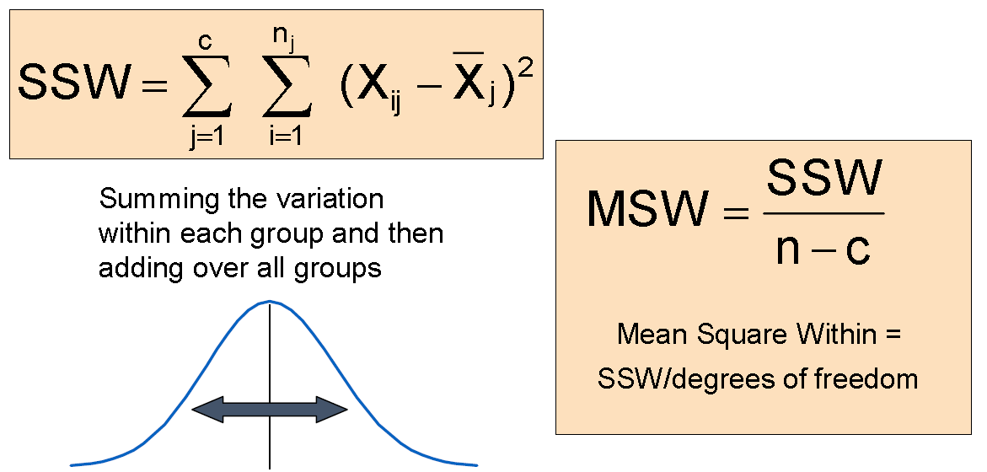

Source | df | sum_sq
Day of the week | 4 | 146.83
Section | 2 | 53.73
Residual | 53 | 214.77 | 4.0522641509
Total | 59 | 415.33

gl example
